Global 2020 Report
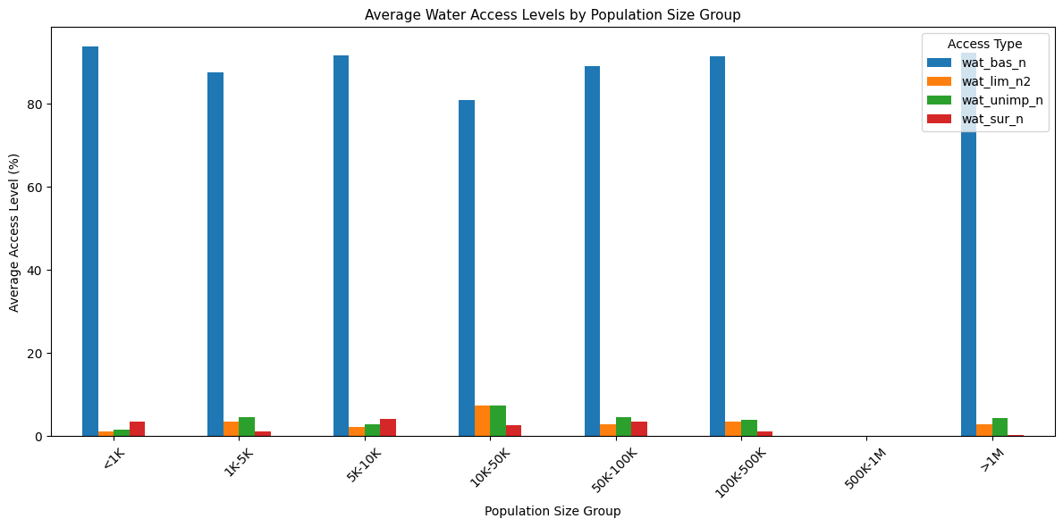
determine the total national population size using the feature pop_n. Add the estimated world population (7.821 billion) to this sheet as wel

 | total population in 1k format = |  |  | 7,786,713,708 |  |  | 7,786,713,708
 |  |  |  | 7786713.7077

determine the total urban population from our dataset using the newly created pop_u_val feature.
 | total population = |  | 4375331316.90 |  | 4,375,331,316.90

percentage population in the urban area
 | 56.19%

percentage difference to determine the difference between the number of people included in our dataset and the estimated number of people in the world in 2020
 | urban population total = |  |  | 4,375,331,316.90
 | total population = |  |  | 7,786,713,707.74
 | population difference = |  |  | 3,411,382,390.84
 | percentage difference = |  |  | 56.09882851

total population | urban poulation | rural population | urban percentage | rural percentage | pop u difference |  | percentage difference
7,786,713,708 | 4,375,331,316.90 | 3,411,382,390.84 | 0.56189703142 | 0.43810296858 | 3,411,382,390.84 |  | 56.09882851

determine the maximum of each of the four national water access columns, i.e., _wat_bas_n_, _wat_lim_n_, _wat_unimp_n_, and _wat_sur_n
 | max of wat_bas_n = |  | 100
 | max of wat_lim_n = |  | 37.43
 | max of wat_unimp_n = |  | 33.54
 | max of wat_sur_n = |  | 94.43

 | min of wat_bas_n = |  | 0
 | min of wat_lim_n = |  | 0
 | min of wat_unimp_n = |  | 0
 | min of wat_sur_n = |  | 0

Calculate the mean, median, and mode of the national service
 |  |  | mean | median | mode | range | 1qtr | 2qtr | 3qtr | INR | variance | STD
 |  | min of wat_bas_n = | 47.776919163 | 45.7 | 0 | 99.70767665 | 0 | 45.7 | 93.476919162 | 93.476919162 | 2291.2611911 | 47.867120146
 |  | min of wat_lim_n = | 3.7537089202 | 0.43 | 0 | 37.43 | 0 | 0.43 | 4.08 | 4.08 | 47.623424272 | 6.9009727048
 |  | min of wat_unimp_n = | 4.2889201878 | 0.74 | 0 | 33.54 | 0.03 | 0.74 | 5.11 | 5.08 | 50.508097895 | 7.1069049448
 |  | min of wat_sur_n = | 2.8464319249 | 0 | 0 | 94.43 | 0 | 0 | 1.86 | 1.86 | 94.507900884 | 9.7215174167

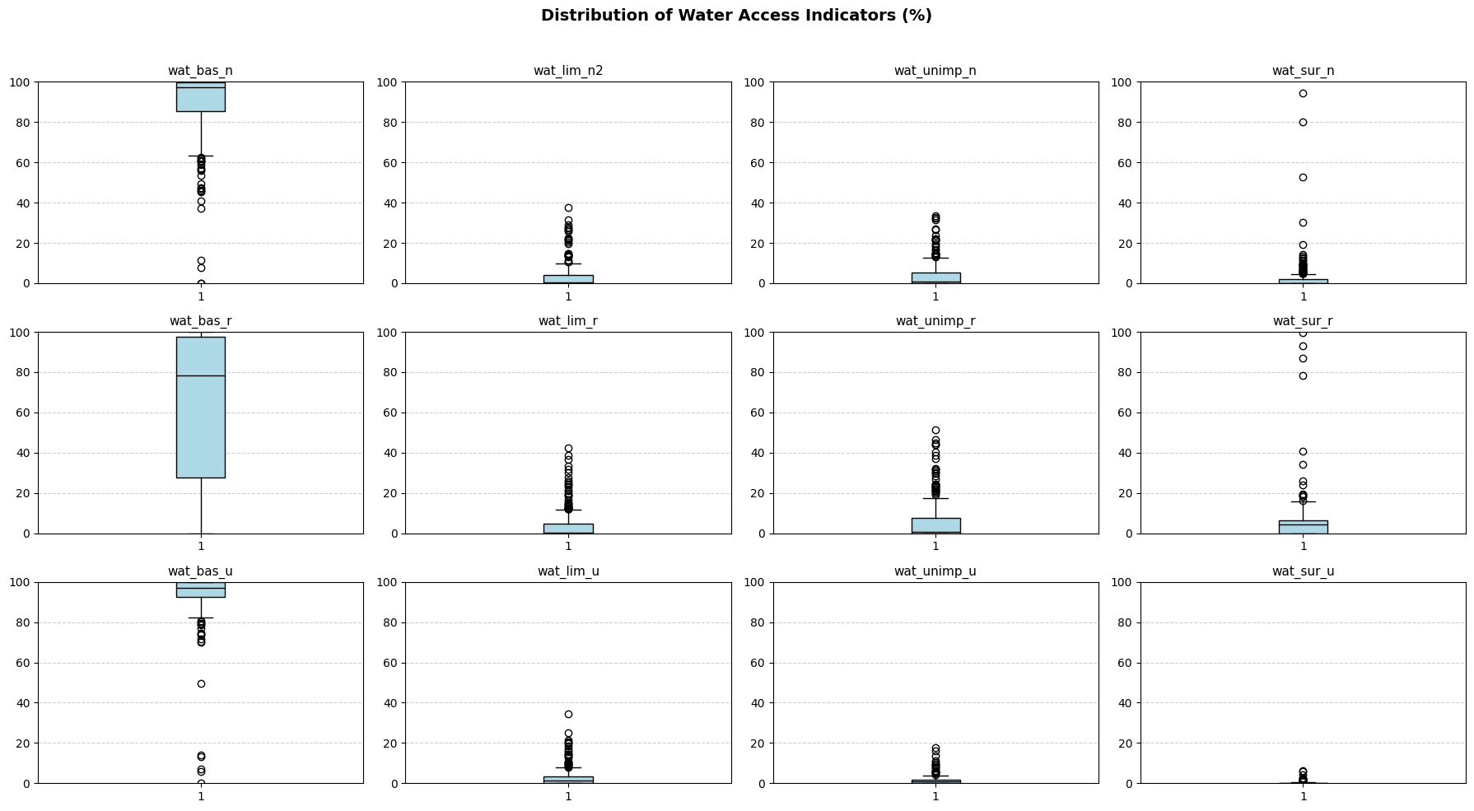

create a bar chart. Since we want to investigate how population size affects access levels, population size (pop_n) will be our independent variable (the cause), and our four access features
(_wat_bas_n_, _wat_lim_n_, _wat_unimp_n_, and _wat_sur_n_) will be the dependent variables (the effects)

